two way slab design
Dimension of Slab
c-c length along longer span, ly |  |  | 4217.38 | mm
c-c length along shorter span, lx |  |  | 3657.42 | mm |  | 7314.84 |  |  |  |  |  | 3657.4215178
support width |  |  | 230 | mm |  |  |  |  |  |  |  | 4217.3780488
clear span ly |  |  | 3987.38 | mm
clear span lx |  |  | 3427.42 | mm
ly+.5d |  |  | 4039.88
lx+.5d |  |  | 3479.92
effective span
along longer span, ly |  |  | 4039.88 | mm |  |  | IS 456 Cl. 22.2.b.2
along shorter span, lx |  |  | 3479.92 | mm |  |  | IS 456 Cl. 22.2.b.2 |  | 3.47992
thickness of slab |  |  | 105 | mm
clear cover |  |  | 20 | mm
total thickness |  |  | 125 | mm
Reinforced used, Fy |  |  | 500 | N/mm2
fck |  |  | 20 | N/mm2
self wt. of concrete (γ) |  |  | 25 | KN/m3

 | ly/lx |  | 1.161 | <2
type of slab |  | <2 two way slab
Two Adjacent Edge Discontinuous |  |  |  |  |  |  |  |  |  |  |  |  |  |  |  | Two Adjacent Edge Discontinuous
 |  |  |  |  |  |  |  |  | for |  | (l/d)basic
 |  |  |  |  |  |  |  |  | cantilever |  | 7
Load Calculation |  |  |  |  |  |  |  |  | simply supported |  | 20
Self Weight |  |  | 3.125 | KN/m2 |  |  |  |  | continuous |  | 26
live load |  |  | 2 | KN/m2 |  |  |  |  | one conti. & one discont. |  | 23
Wall and plaster load |  |  | 1.5 | KN/m2
floor finish |  |  | 1.25 | KN/m2
 |  | FOS | 7.875 |  |  |  |  |  |  | 4
total load |  | 1.5 | 11.8125 | KN/m2
 |  | Main Bar | Dist. Bar
provide the reinforcement of dia |  | 8 | 8 | mm
S. No. | Description | Shorter Direction |  | Longer Direction
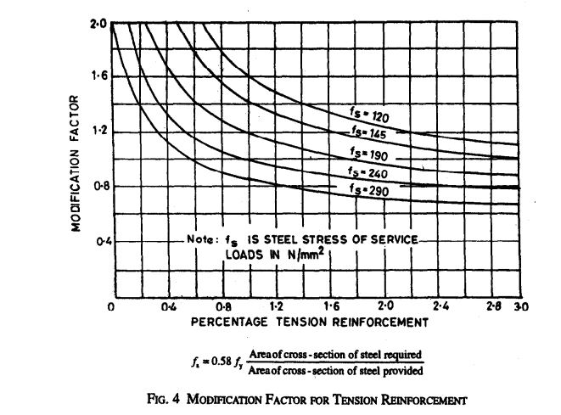
 |  | Support | mid | Support | mid
1 | αx & αy | 0.057263822157 | 0.043045587255 | 0.047 | 0.035
2 | BM | 8.1914479099 | 6.1575646275 | 6.7232335752 | 5.0066633006
3 | Ast required | 187.73139985 | 139.44103438 | 152.75148434 | 112.63491743
4 | Ast min | 150 | 150 | 150 | 150
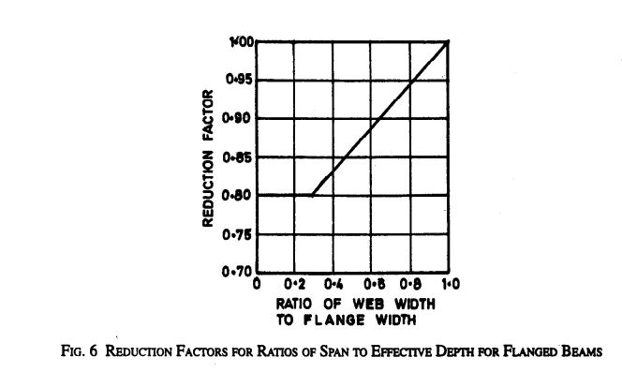
5 | Spacing reqd | 267.85990157 | 335.23809524 | 329.1995132 | 335.23809524
6 | Spacing prov. | 150 | 150 | 150 | 150 |  | TRUE
7 | Ast provided | 335.23809524 | 335.23809524 | 335.23809524 | 335.23809524
8 | % of steel provided | 0.26819047619 | 0.26819047619 | 0.26819047619 | 0.26819047619
Check for deflection control criteria
lx |  |  | 3479.92
d |  |  | 105
lx/d |  |  | 33.142
(l/d)basic |  |  | 23
γ |  |  | 1 |  | from fig 6 of IS456
β |  |  | 1 |  | from fig 5 of IS456
Fs |  |  | 129.759 | N/mm2
% of tensional reinforcement |  |  | 0.268
α |  |  | 2 |  | from fig 4 of IS456
now, (l/d)basic*αβγ |  |  | 46 |  | OK Safe

Check Shear
Vumax |  |  | 20.553 | KN
Nominal Shear Stress |  |  | 0.196 | N/mm2 |  |  |  |  |  |  |  |  |  |  | and above
From table 20 of IS 456 |  |  |  |  |  |  |  | concrete grade |  | 15 | 20 | 25 | 30 | 35 | 40
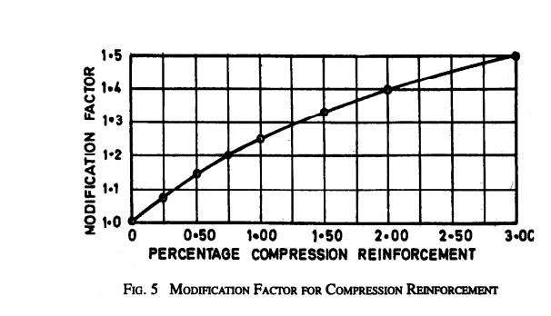
fck |  |  | 20 |  |  |  |  | τcmax |  | 2.5 | 2.8 | 3.1 | 3.5 | 3.7 | 4
τcmax |  |  | 2.8 |  | OK Safe
overall depth,D |  |  | 125

From table 19 of IS 456
100*Ast/(bd) |  |  | 0.160
τc |  |  | 0.28770975057 |  | from table 19 of IS 456
k |  |  | 1.3 |  | From cl. 40.2.1.1
τ'c |  |  | 0.37402267574 |  | OK Safe

Provision of torsional reinforcement
 | 0.2lx | 695.984 | mm
 | 0.2lx*0.2lx | 484393.72826 | mm2
According to IS456 CL-D18
At corner with one edge continuous and other edge discontinuous,
Area of torsional reinforcement |  |  | 37.50% | of Ast at mid-span
 |  | Ast torsional | 125.714 | mm2
 |  | Width = 0.2lx | 695.984 | mm
Provide diameter of reinforcement
 |  | D | 8 | mm
 |  | Spacing | 278.3936 | mm
 |  | Provide spacing | 300 | mm

